raiz
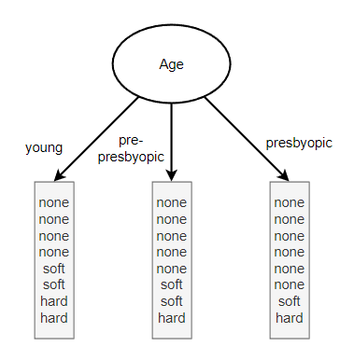
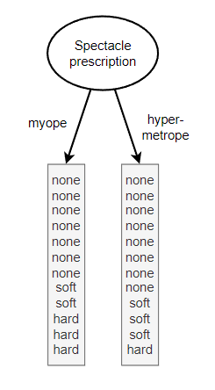
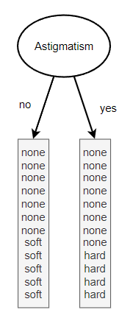
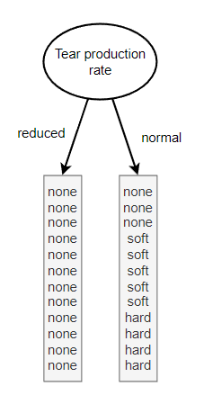
 |  |  |  |  |  | info[15,5,4] | 1.3260875254

Age |  |  | Spectacle prescription |  |  |  |  | Astigmatism |  |  | Tear production rate
young | info[4,2,2] | 1.5 | myope | info[7,2,3] | 1.3844315043 |  |  | no | info[7,5,0] | 0.97986875665 | reduced | info[12,0,0] | 0
pre-presbyopic | info[5,2,1] | 1.2987949407 | hypermetrope | info[8,3,1] | 1.1887218755 |  |  | yes | info[8,0,4] | 0.91829583405 | normal | info[3,5,4] | 1.5545851693
presbyopic | info[6,1,1] | 1.0612781245 |  | info[7,2,3][8,3,1] | 1.2865766899 |  |  |  | info[7,5,0][8,0,4] | 0.94908229535 |  | info[12,0,0][3,5,4] | 0.77729258467
 | info[4,2,2][5,2,1][6,1,1] | 1.2866910217
 | gain() | 0.039396503646 |  | gain() | 0.039510835424 |  |  |  | gain() | 0.37700523001 |  | gain() | 0.5487949407

tear production(reduced)
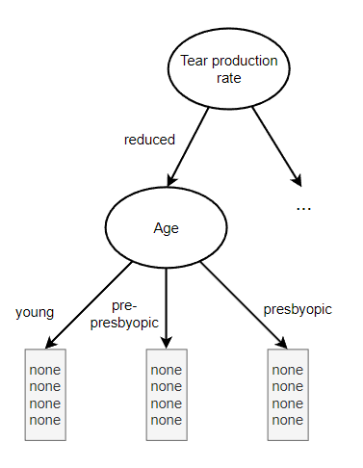
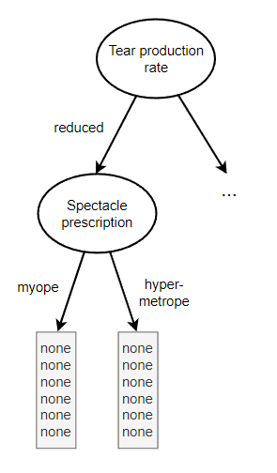
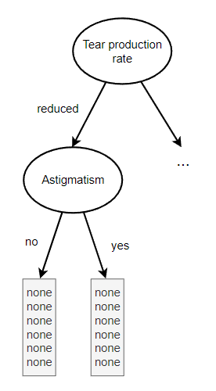
 |  |  |  | info[12,0,0] | 0

Age |  |  | Spectacle prescription |  |  | Astigmatism
reduced- young | info[4,0,0] | 0 | reduced- myope | info[6,0,0] | 0 | reduced- no | info[6,0,0] | 0
reduced- pre-presbyopic | info[4,0,0] | 0 | reduced- hypermetrope | info[6,0,0] | 0 | reduced- yes | info[6,0,0] | 0
reduced- presbyopic | info[4,0,0] | 0 |  | info[6,0,0][6,0,0] | 0 |  | info[6,0,0][6,0,0] | 0
 | info[4,0,0][4,0,0][4,0,0] | 0
 | gain() | 0 |  | gain() | 0 |  | gain() | 0

tear production(normal)
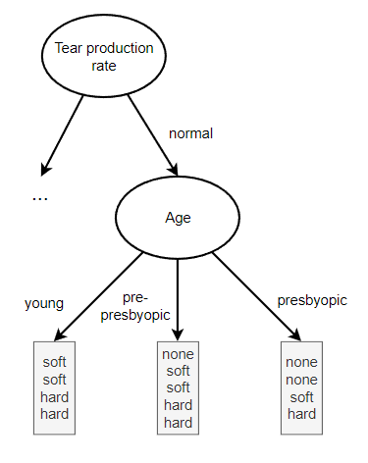
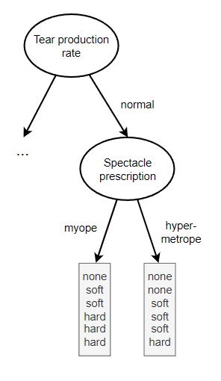
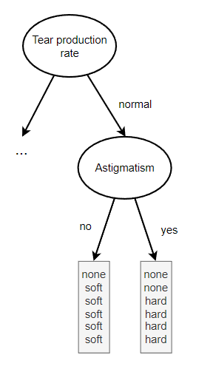
 |  |  |  |  | info[3,5,4] | 1.5545851693

Age |  |  | Spectacle prescription |  |  |  | Astigmatism
normal- young | info[0,2,2] | 1 | normal- myope | info[1,2,3] | 1.459147917 |  | normal- no | info[1,5,0] | 0.65002242165
normal- pre-presbyopic | info[1,2,1] | 1.5 | normal- hypermetrope | info[2,3,1] | 1.459147917 |  | normal- yes | info[2,0,4] | 0.91829583405
normal- presbyopic | info[2,1,1] | 1.5 |  | info[1,2,3][2,3,1] | 1.459147917 |  |  |  | 0.78415912785
 | info[0,2,2][1,2,1][2,1,1] | 1.3333333333
 | gain() | 0.221251836 |  | gain() | 0.095437252311 |  |  | gain() | 0.77042604149

Astigmatism(normal-no)
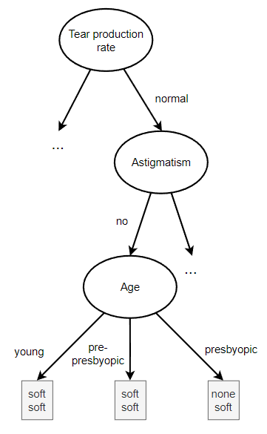
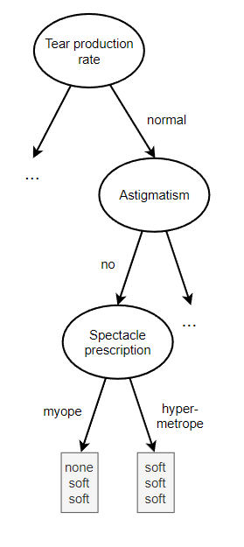
 |  |  | info[1,5,0] | 0.65002242165

Age |  |  |  |  | Spectacle prescription
normal-no- young | info[0,2,0] | 0 |  |  | normal-no- myope | info[1,2,0] | 0.91829583405
normal-no- pre-presbyopic | info[0,2,0] | 0 |  |  | normal-no- hypermetrope | info[0,3,0] | 0
normal-no- presbyopic | info[1,1,0] | 1 |  |  |  | info[1,2,0][0,3,0] | 0.45914791703
 | info[0,2,0][0,2,0][1,1,0] | 0.33333333333
 | gain() | 0.31668908832 |  |  |  | gain() | 0.19087450462

Astigmatism(normal-yes)
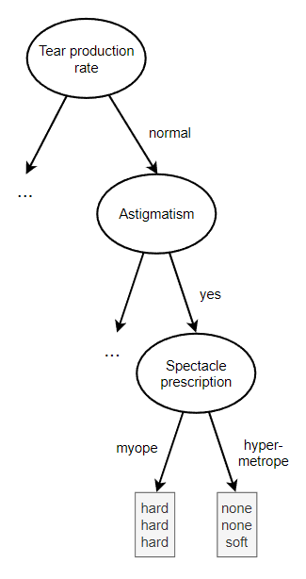
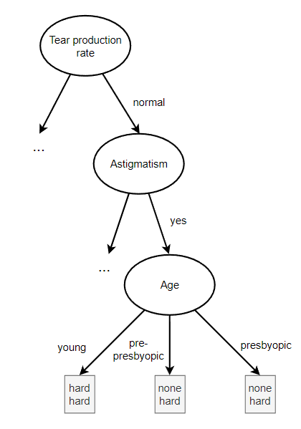
 |  |  | info[2,0,4] | 0.91829583405

Age |  |  |  |  | Spectacle prescription
normal-yes- young | info[0,0,2] | 0 |  |  | normal-yes- myope | info[0,0,3] | 0
normal-yes- pre-presbyopic | info[1,0,1] | 1 |  |  | normal-yes- hypermetrope | info[2,0,1] | 0.91829583405
normal-yes- presbyopic | info[1,0,1] | 1 |  |  |  | info[0,0,3][2,0,1] | 0.45914791703
 | info[0,0,2][1,0,1][1,0,1] | 0.66666666667
 | gain() | 0.25162916739 |  |  |  | gain() | 0.45914791703

Age(normal-no-young_pre_presby)
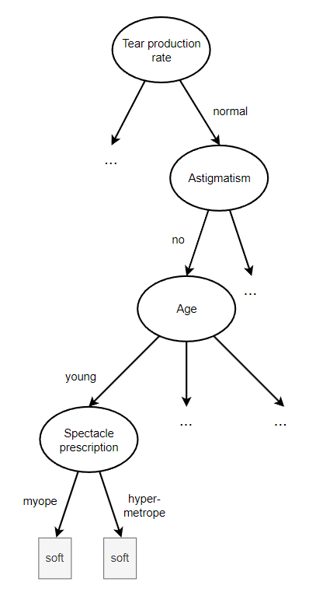
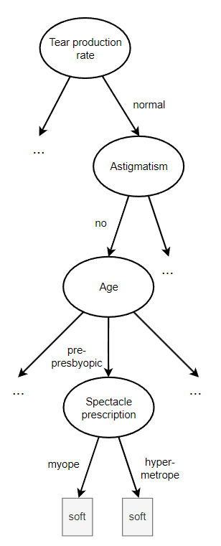
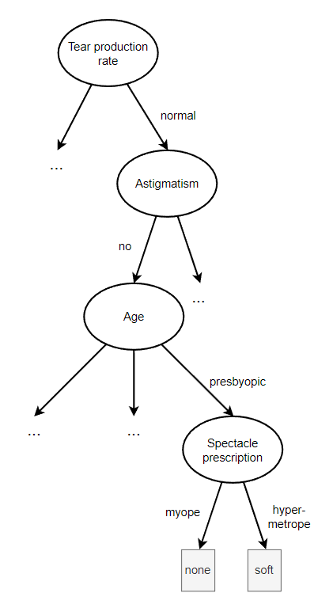
 | info[2,0] | 0 |  | info[2,0] | 0 |  | info[1,1] | 1

Spectacle prescription |  |  | Spectacle prescription |  |  | Spectacle prescription
normal-no-young myope | info[0,1,0] | 0 | normal-no-prePresbyopic myope | info[0,1,0] | 0 | normal-no-presbyopic myope | info[1,0,0] | 0
normal-no-young hypermetrope | info[0,1,0] | 0 | normal-no-prePresbyopic hypermetrope | info[0,1,0] | 0 | normal-no-presbyopic hypermetrope | info[0,1,0] | 0
 | info[0,1,0][0,1,0] | 0 |  | info[0,1,0][0,1,0] | 0 |  | info[1,0,0][0,1,0] | 0

 | gain() | 0 |  | gain() | 0 |  | gain() | 1

Spect(normal-yes-miope_hyper)
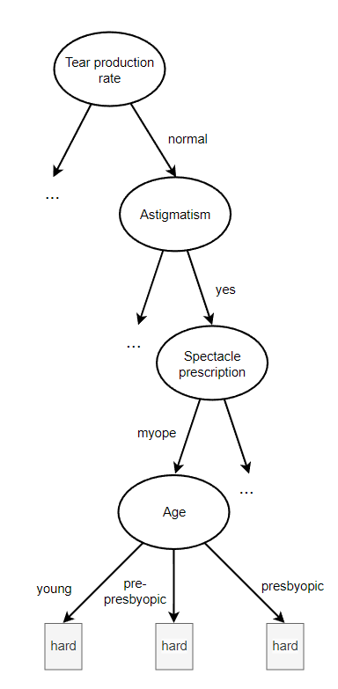
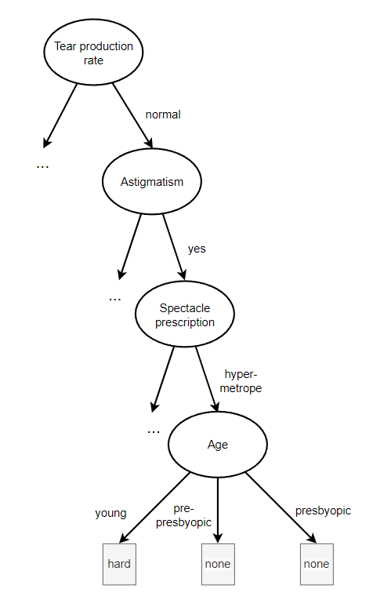
 | info[0,0,3] | 0 |  | info[1,0,2] | 0.91829583405

Age |  |  | Age
normal-yes-myope young | info[0,0,1] | 0 | normal-yes-hypermetrope young | info[0,0,1] | 0
normal-yes-myope pre-presbyopic | info[0,0,1] | 0 | normal-yes-hypermetrope pre-presbyopic | info[1,0,0] | 0
normal-yes-myope presbyopic | info[0,0,1] | 0 | normal-yes-hypermetrope presbyopic | info[1,0,0] | 0
 | info[0,0,1][0,0,1][0,0,1] | 0 |  | info[0,0,1][1,0,0][1,0,0] | 0
 | gain() | 0 |  | gain() | 0.91829583405

final
